Full Draft STIP
 |  |  | DRAFT 2024-2033 STATE TRANSPORTATION IMPROVEMENT PROGRAM
 | 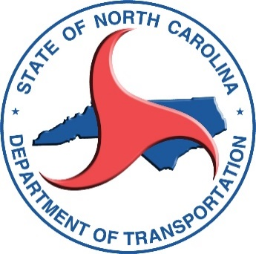 |  | NOTES: COSTS AND SCHEDULES ARE AS OF JULY 28, 2022 AND ARE SUBJECT TO CHANGE. AMOUNTS SHOWN ARE PROJECT ESTIMATE AMOUNTS REMAINING. ANY AMOUNTS PROGRAMMED FOR ACTIVITIES OTHER THAN RIGHT-OF-WAY, UTILITIES, OR CONSTRUCTION ARE INCLUDED UNDER "OTHER ACTIVITIES".
BASIC PROJECT INFORMATION |  |  |  |  |  |  |  |  | FISCAL YEAR PROJECT PHASE SCHEDULED TO START
COUNTY(S) | ROUTE/CITY | DESCRIPTION | MODE | DIVISION(S) | MPOs/RPOs | PROJECT ID | STI CATEGORY FUNDED | FUNDING SOURCE (SEE FUNDING SOURCES TAB FOR MORE INFO) | RIGHT-OF-WAY PROJECTED SCHEDULE | TOTAL REMAINING FUNDS NEEDED FOR RIGHT-OF-WAY | UTILITIES PROJECTED SCHEDULE | TOTAL REMAINING FUNDS NEEDED FOR UTILITIES | CONSTRUCTION PROJECTED SCHEDULE | TOTAL REMAINING FUNDS NEEDED FOR CONSTRUCTION | PROJECTED SCHEDULE FOR OTHER ACTIVITIES | TOTAL REMAINING FUNDS FOR OTHER ACTIVITIES | TOTAL REMAINING FUNDS NEEDED | COMMENT
...

